609614
CUTTING PLAN 1 |  |  | 오더 수량 |  | 본사 요척 | BODY | TRIM |  | BODY WIDTH |  | BODY WIDTH | 2020-06-08
 |  |  |  |  |  | 0.202 | 0.105
STYLE.NO : 609614 |  |  | 7,226 |  | 소요량 | 1460 | 759 |  | 64" |  | 43"

COLOR | DIVICION |  |  |  |  |  |  | TOTAL | 요척 | 소요량 | 요척 | 소요량
 |  |  | 0-3M | 3-6M | 6-12M | 12-18M | 18-24M
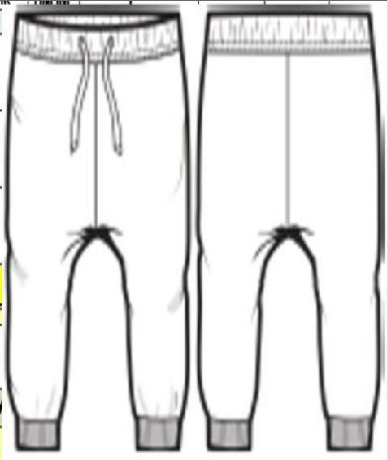 OLIVE CAMO | QTY | ORDER | 750 | 1,476 | 2,114 | 1,635 | 1,251 | 7,226
 | LOSS(5%) |  | 788 | 1,550 | 2,220 | 1,717 | 1,314 | 7,587
 | BAL(%) |  | 10.38 | 20.43 | 29.26 | 22.63 | 17.31 | 100
 | RATIO.1 | 160 | 5 | 8 | 10 | 10 | 7 | 40 |  | 0 |  | 0
 |  |  | 800 | 1,280 | 1,600 | 1,600 | 1,120 | 6,400
 |  |  | 13 | -270 | -620 | -117 | -194 | 1,187
 | RATIO.2 | 39 |  | 7 | 16 | 3 | 5 | 31 |  | 0 |  | 0
 |  |  | 0 | 273 | 624 | 117 | 195 | 1,209
 |  |  | 13 | 3 | 4 | 0 | 1 | 22
 | RATIO.3 |  |  |  |  |  |  | 0 |  | 0 |  | 0
 |  |  | 0 | 0 | 0 | 0 | 0 | 0
 |  |  | 13 | 3 | 4 | 0 | 1 | 22
 | TTL: |  | 800 | 1,553 | 2,224 | 1,717 | 1,315 | 7,609 | 0.000 | 0 | 0.000 | 0
 |  |  |  |  |  |  |  | 과부족 | 100.0% | 1,460 | 100.0% | 1,460

